emp_title
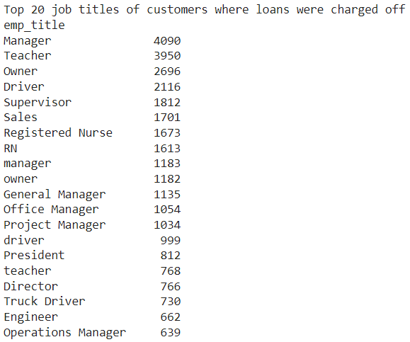
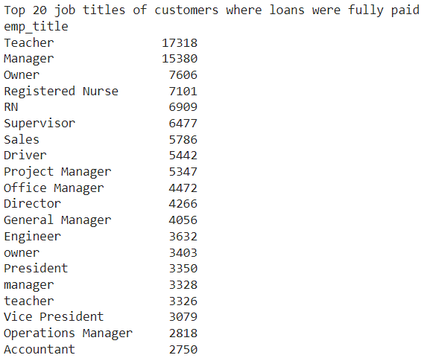
Description | The job title supplied by the Borrower when applying for the loan.* | Actions suggestion
 |  | Due to majority similarity between the top 20 job titles that contributes either to Fully Paid Loans or charged off loans, this column loses it's significance in prediction. Hence, this column must be dropped.

emp_length
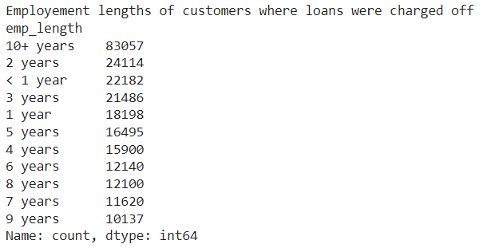
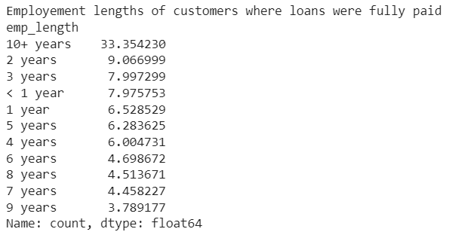
Description | Employment length in years. Possible values are between 0 and 10 where 0 means less than one year and 10 means ten or more years. | Actions suggestion
 |  | Due to majority similarity in the distribution w.r.t employement lengths for customers that contributes either to Fully Paid Loans or charged off loans, this column loses it's significance in prediction. Hence, this column must be dropped.

title
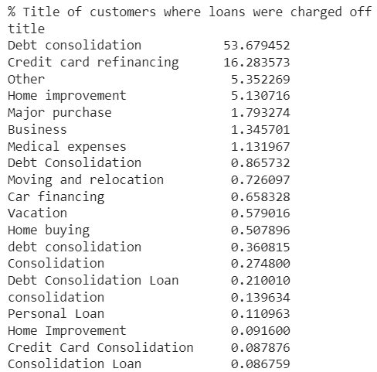
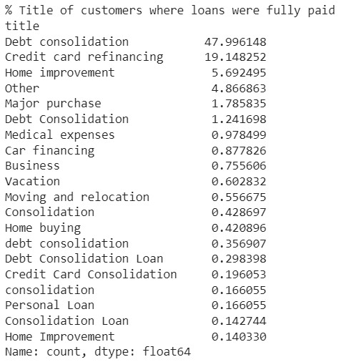
Description | The loan title provided by the borrower | Actions suggestion
 |  | Due to majority similarity in the distribution w.r.t title provided by customers that contributes either to Fully Paid Loans or charged off loans, this column loses it's significance in prediction. Hence, this column must be dropped.

zip_code
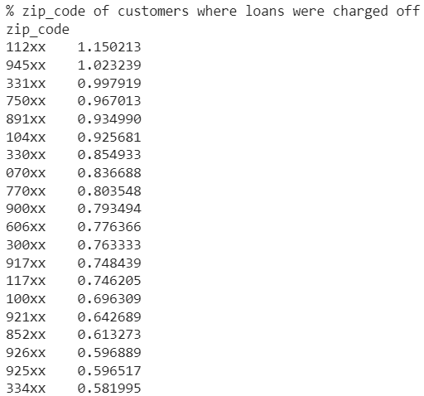

Description | The loan title provided by the borrower | Actions suggestion
 |  | Due to majority similarity in the distribution w.r.t zipcode of customers that contributes either to Fully Paid Loans or charged off loans, this column loses it's significance in prediction. Hence, this column must be dropped.

dti
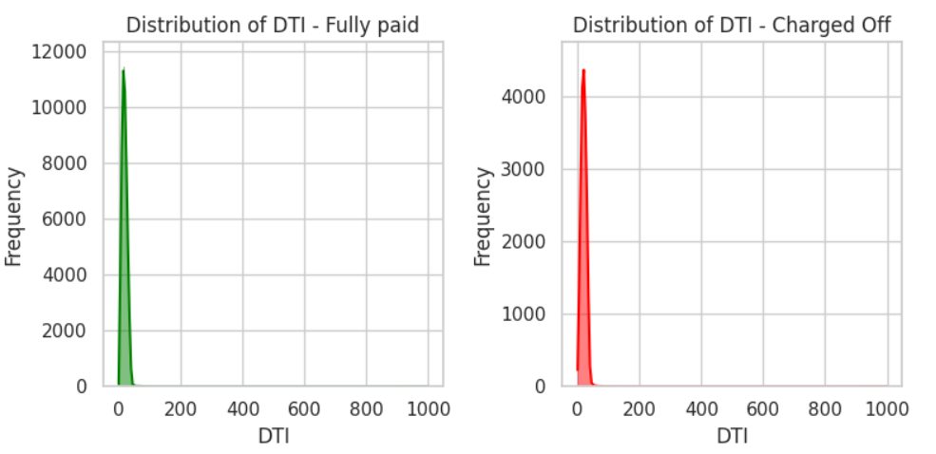
Description | A ratio calculated using the borrower’s total monthly debt payments on the total debt obligations, excluding mortgage and the requested LC loan, divided by the borrower’s self-reported monthly income. |  |  |  |  | Analyst input
 |  |  |  |  |  | 1. Based on the description dti is an important ratio to determine if the loan will be fully paid by the customer or will end uo beung charged off. 2. It is a right skewed distribution. 3. The dataset consists of 5473 outliers out of which 1658 maps to charged off loans. Total charged off loans are 268559. This shows that outliers influence on charged off loans is minimal/ negligible. 4. Out of 374 missing values, 71 corresponds to charged off loan_status. Hence missing values should be imputed.

level_0 | loan_status | values | level_0 | loan_status | values
count | Charged Off | 268488 | count | Fully Paid | 1076448
mean | Charged Off | 20.171196292 | mean | Fully Paid | 17.811629322
median | Charged Off | 19.76 | median | Fully Paid | 17.11
std | Charged Off | 11.831746843 | std | Fully Paid | 10.935927264
min | Charged Off | 0 | min | Fully Paid | -1 | Actions suggestion
0% | Charged Off | 0 | 0% | Fully Paid | -1 | 1. Missing values should be imputed with median. 2. The column might need to be log transformed before using for prediction. 3. This column can be used for customer segmentation.
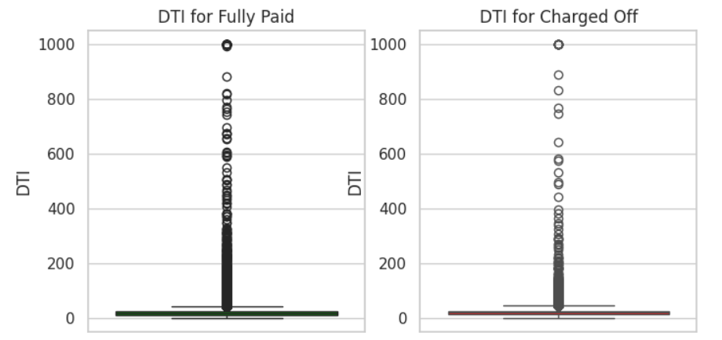
25% | Charged Off | 13.55 | 25% | Fully Paid | 11.43
50% | Charged Off | 19.76 | 50% | Fully Paid | 17.11
75% | Charged Off | 26.31 | 75% | Fully Paid | 23.44
100% | Charged Off | 999 | 100% | Fully Paid | 999
max | Charged Off | 999 | max | Fully Paid | 999
missing % | Charged Off | 0.026 | missing % | Fully Paid | 0.0281

revol_util
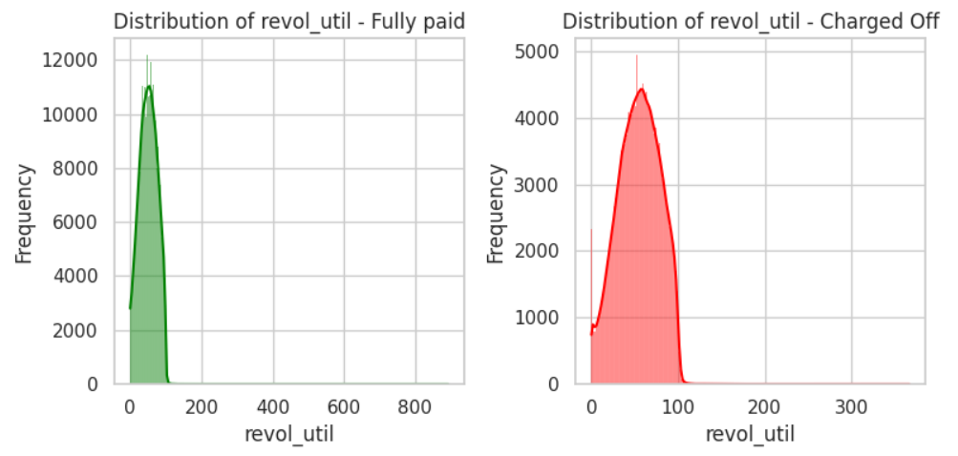
Description | Revolving line utilization rate, or the amount of credit the borrower is using relative to all available revolving credit. Revolving utilization rate compares your credit debt to your total credit limit |  |  |  |  | Analyst input
 |  |  |  |  |  | 1. Based on the description revol_util is an important ratio to determine if the loan will be fully paid by the customer or will end up being charged off. 2. It is a right skewed distribution. 3. The dataset consists of 72 outliers out of which 28 maps to charged off loans. Total charged off loans are 268559. This shows that outliers influence on charged off loans is minimal/ negligible.

level_0 | loan_status | values | level_0 | loan_status | values
count | Charged Off | 268379 | count | Fully Paid | 1076074
mean | Charged Off | 54.758432702 | mean | Fully Paid | 51.074671426
median | Charged Off | 55.5 | median | Fully Paid | 51.3
std | Charged Off | 23.865981586 | std | Fully Paid | 24.626820829
min | Charged Off | 0 | min | Fully Paid | 0 | Actions suggestion
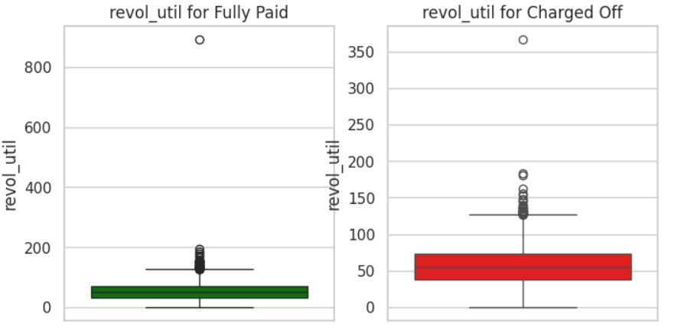
0% | Charged Off | 0 | 0% | Fully Paid | 0 | 1. Missing values should be imputed with median. 2. The column might need to be log transformed before using for prediction. 3. This column can be used for customer segmentation.
25% | Charged Off | 37.4 | 25% | Fully Paid | 32.5
50% | Charged Off | 55.5 | 50% | Fully Paid | 51.3
75% | Charged Off | 73.1 | 75% | Fully Paid | 70.1
100% | Charged Off | 366.6 | 100% | Fully Paid | 892.3
max | Charged Off | 366.6 | max | Fully Paid | 892.3
missing % | Charged Off | 0.067024 | missing % | Fully Paid | 0.062874

tot_cur_bal
Description | Total current balance of all accounts |  |  |  |  | Percentile distribution of the column |  |  |  | Analyst input
 |  |  |  |  |  |  |  |  |  | 1.As expected total current balance of all accounts is a right skewed distribution. More the balance in account, higher is the chance for the loan to be Fully Paid. The outliers shouldn't be treated. 2. Outliers: Customers with current balance > upper bound outliers have fully paid : charged off ratio of ~ 7:1
 |  |  |  |  |  | Percentile | Value | Difference | Buckets
 |  |  |  |  |  | 0 | 0 | NaN | No Balance
 |  |  |  |  |  | 5 | 8625 | 8625 | Low
 |  |  |  |  |  | 10 | 14065.2 | 5440.2
level_0 | loan_status | values | level_0 | loan_status | values | 15 | 19152 | 5086.8
count | Charged Off | 258241 | count | Fully Paid | 1019542 | 20 | 24169 | 5017
mean | Charged Off | 118843.24764 | mean | Fully Paid | 146779.74158 | 25 | 29423 | 5254 |  | Actions suggestion
median | Charged Off | 61197 | median | Fully Paid | 87442 | 30 | 35307 | 5884 |  | 1. To use this variable for prediction, use the buckets created using percentile distribution 2. The tot_cur_bal numerical variable can be used for clustering 3. Treat the missing values using median
std | Charged Off | 134603.43726 | std | Fully Paid | 162362.10915 | 35 | 42200.7 | 6893.7
min | Charged Off | 0 | min | Fully Paid | 0 | 40 | 50952 | 8751.3
0% | Charged Off | 0 | 0% | Fully Paid | 0 | 45 | 62943 | 11991
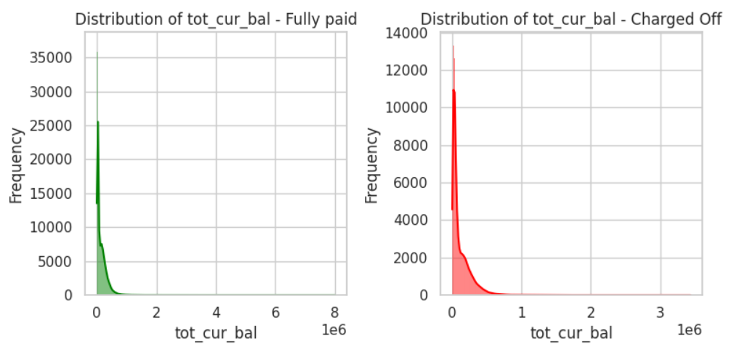
25% | Charged Off | 27449 | 25% | Fully Paid | 30050 | 50 | 80231 | 17288
50% | Charged Off | 61197 | 50% | Fully Paid | 87442 | 55 | 103361 | 23130 | Medium
75% | Charged Off | 175030 | 75% | Fully Paid | 219274 | 60 | 129833.2 | 26472.2
100% | Charged Off | 3437283 | 100% | Fully Paid | 8000078 | 65 | 155958 | 26124.8
max | Charged Off | 3437283 | max | Fully Paid | 8000078 | 70 | 182120 | 26162
missing % | Charged Off | 3.841986 | missing % | Fully Paid | 5.313113 | 75 | 210715 | 28595
 |  |  |  |  |  | 80 | 244056.6 | 33341.6
 |  |  |  |  |  | 85 | 285012 | 40955.4
 |  |  |  |  |  | 90 | 340365 | 55353
 |  |  |  |  |  | 95 | 433473 | 93108 | High
 |  |  |  |  |  | 96 | 462794.44 | 29321.44
 |  |  |  |  |  | 96.5 | 480992 | 18197.56
 |  |  |  |  |  | 97 | 502781 | 21789
 |  |  |  |  |  | 97.5 | 529736.9 | 26955.9
 |  |  |  |  |  | 98 | 563359.84 | 33622.94
 |  |  |  |  |  | 98.5 | 608687.89 | 45328.05
 |  |  |  |  |  | 99 | 674288.6 | 65600.71
 |  |  |  |  |  | 99.5 | 806223.24 | 131934.64
 |  |  |  |  |  | 100 | 8000078 | 7193854.76 | Very High

avg_cur_bal
Description | Average current balance of all accounts |  |  |  |  | Percentile distribution of the column |  |  |  | Analyst input
 |  |  |  |  |  |  |  |  |  | 1.As expected average current balance of all accounts is a right skewed distribution. More the average balance in account, higher is the chance for the loan to be Fully Paid. The outliers shouldn't be treated. 2. Outliers: Customers with current balance > upper bound outliers have fully paid : charged off ratio of ~ 7:1
 |  |  |  |  |  | Percentile | Value | Difference | Buckets
 |  |  |  |  |  | 0 | 0 | NaN | No Balance
 |  |  |  |  |  | 5 | 1100 | 1100 | Low
 |  |  |  |  |  | 10 | 1640 | 540
level_0 | loan_status | values | level_0 | loan_status | values | 15 | 2128 | 488
count | Charged Off | 258234 | count | Fully Paid | 1019527 | 20 | 2605 | 477
mean | Charged Off | 10934.066703 | mean | Fully Paid | 14135.645106 | 25 | 3101 | 496 |  | Actions suggestion
median | Charged Off | 5748 | median | Fully Paid | 8018 | 30 | 3643 | 542 |  | 1. Replace missing values with median. 2. To use this variable for prediction, use the buckets created using percentile distribution 3. The tot_cur_bal numerical variable can be used for clustering
std | Charged Off | 13255.905559 | std | Fully Paid | 16911.132539 | 35 | 4279 | 636
min | Charged Off | 0 | min | Fully Paid | 0 | 40 | 5058 | 779
0% | Charged Off | 0 | 0% | Fully Paid | 0 | 45 | 6057 | 999
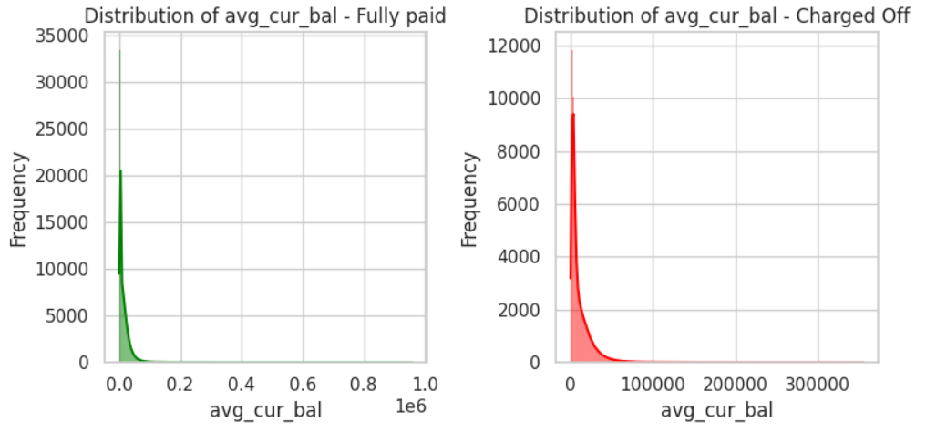
25% | Charged Off | 2797 | 25% | Fully Paid | 3196 | 50 | 7407 | 1350 | Medium
50% | Charged Off | 5748 | 50% | Fully Paid | 8018 | 55 | 9145 | 1738
75% | Charged Off | 14748 | 75% | Fully Paid | 19699 | 60 | 11199 | 2054
100% | Charged Off | 355824 | 100% | Fully Paid | 958084 | 65 | 13446 | 2247
max | Charged Off | 355824 | max | Fully Paid | 958084 | 70 | 15917 | 2471
missing % | Charged Off | 3.844593 | missing % | Fully Paid | 5.314506 | 75 | 18717 | 2800
 |  |  |  |  |  | 80 | 22039 | 3322
 |  |  |  |  |  | 85 | 26259 | 4220
 |  |  |  |  |  | 90 | 32220 | 5961
 |  |  |  |  |  | 95 | 43045 | 10825 | High
 |  |  |  |  |  | 96 | 46710.6 | 3665.6
 |  |  |  |  |  | 96.5 | 48995.4 | 2284.8
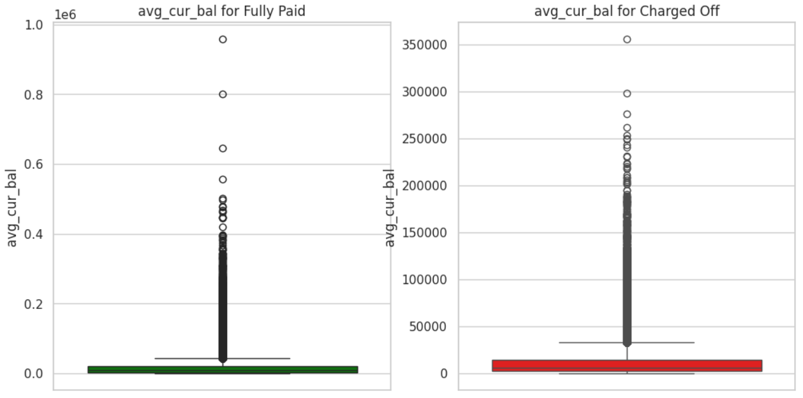
 |  |  |  |  |  | 97 | 51702.2 | 2706.8
 |  |  |  |  |  | 97.5 | 55022 | 3319.8
 |  |  |  |  |  | 98 | 59254 | 4232
 |  |  |  |  |  | 98.5 | 64953.8 | 5699.8
 |  |  |  |  |  | 99 | 73526.8 | 8573
 |  |  |  |  |  | 99.5 | 90154 | 16627.2
 |  |  |  |  |  | 100 | 958084 | 867930 | Very High

bc_open_to_buy
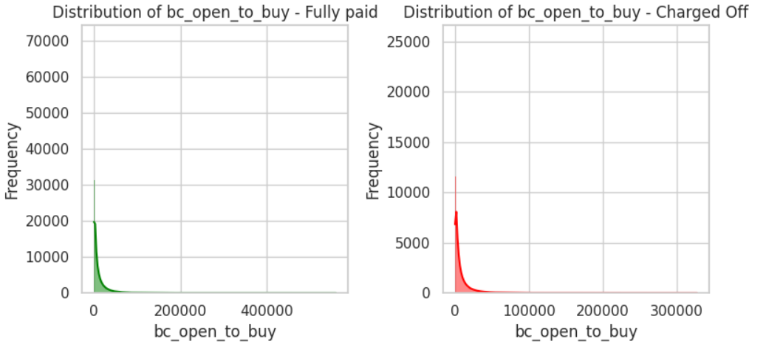
Description | Total open to buy on revolving bankcards. |  |  |  |  | Analyst input
 |  |  |  |  |  | 1. Based on the description bc_open_to_buy is an important feature to determine if the loan will be fully paid by the customer or will end up being charged off. 2. It is a right skewed distribution. 3. The dataset consists of 111563 outliers out of which 13234 maps to charged off loans. Total charged off loans are 268559. ~12% outliers lead to charged off loans and ~5% of total charged off loans has bc_open_to_buy as outliers

level_0 | loan_status | values | level_0 | loan_status | values
count | Charged Off | 258729 | count | Fully Paid | 1025438
mean | Charged Off | 7678.9118885 | mean | Fully Paid | 10818.858498
median | Charged Off | 3587 | median | Fully Paid | 5045
std | Charged Off | 11998.987352 | std | Fully Paid | 16024.728558
min | Charged Off | 0 | min | Fully Paid | 0 | Actions suggestion
0% | Charged Off | 0 | 0% | Fully Paid | 0 | 1. Missing values should be imputed with median. 2. The column might need to be log transformed before using for prediction. 3. This column can be used for customer segmentation.
25% | Charged Off | 1101 | 25% | Fully Paid | 1576
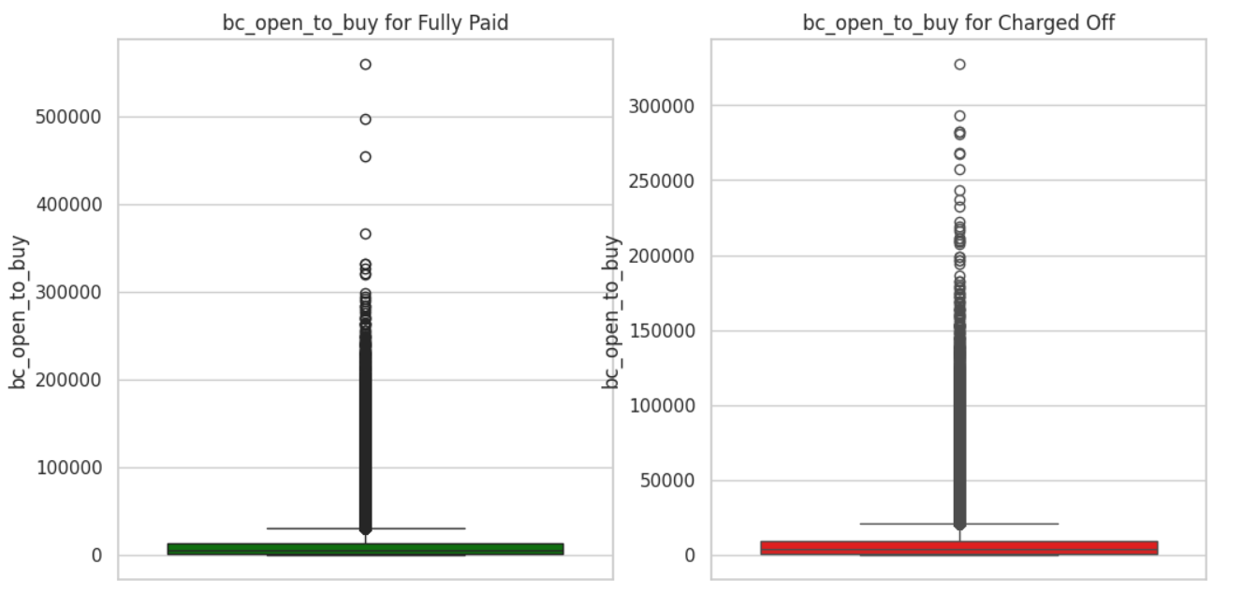
50% | Charged Off | 3587 | 50% | Fully Paid | 5045
75% | Charged Off | 9170 | 75% | Fully Paid | 13296
100% | Charged Off | 327512 | 100% | Fully Paid | 559912
max | Charged Off | 327512 | max | Fully Paid | 559912
missing % | Charged Off | 3.660276 | missing % | Fully Paid | 4.76554

bc_util
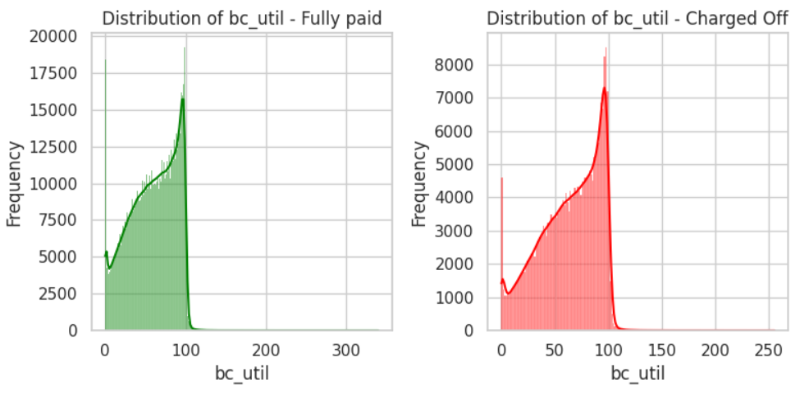
Description | Ratio of total current balance to high credit/credit limit for all bankcard accounts. |  |  |  |  | Analyst input
 |  |  |  |  |  | 1. It has a very non-standard right skewed distribution. 2. The dataset consists of 60 outliers out of which 18 maps to charged off loans. Relationship of outliers in the data and loan being charged off is minimal. 3. From the graphs and statistical information, no correlation or relationship can be determined between the column and loan_status: Charged off

level_0 | loan_status | values | level_0 | loan_status | values
count | Charged Off | 258562 | count | Fully Paid | 1024836
mean | Charged Off | 63.665799305 | mean | Fully Paid | 58.999460304
median | Charged Off | 68 | median | Fully Paid | 61.9
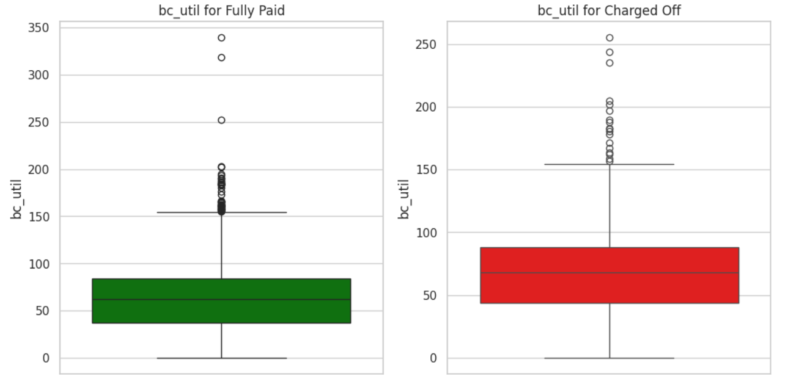
std | Charged Off | 27.611619695 | std | Fully Paid | 28.38544682
min | Charged Off | 0 | min | Fully Paid | 0 | Actions suggestion
0% | Charged Off | 0 | 0% | Fully Paid | 0 | 1. Drop this column
25% | Charged Off | 43.6 | 25% | Fully Paid | 37
50% | Charged Off | 68 | 50% | Fully Paid | 61.9
75% | Charged Off | 87.9 | 75% | Fully Paid | 84
100% | Charged Off | 255.2 | 100% | Fully Paid | 339.6
max | Charged Off | 255.2 | max | Fully Paid | 339.6
missing % | Charged Off | 3.722459 | missing % | Fully Paid | 4.821449

mort_acc
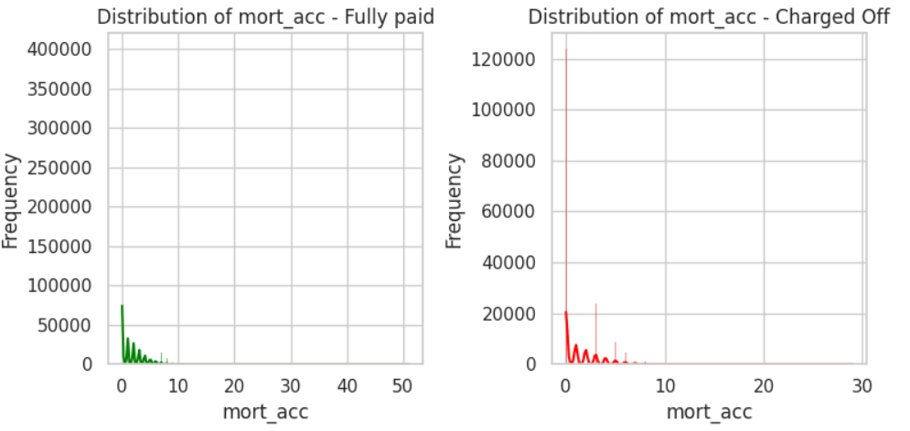
Description | Number of mortgage accounts. |  |  |  |  | Analyst input
 |  |  |  |  |  | 1. This variable may or may not be an important parameter for classicfication. 2. The distribution of this variable is not spread evenly. It is a discrete numerical variable. Hence the missing values should be imputed by mode instead of median.

level_0 | loan_status | values | level_0 | loan_status | values
count | Charged Off | 261673 | count | Fully Paid | 1036356
mean | Charged Off | 1.3710317839 | mean | Fully Paid | 1.746468395
median | Charged Off | 1 | median | Fully Paid | 1
std | Charged Off | 1.8255052057 | std | Fully Paid | 2.0352789281
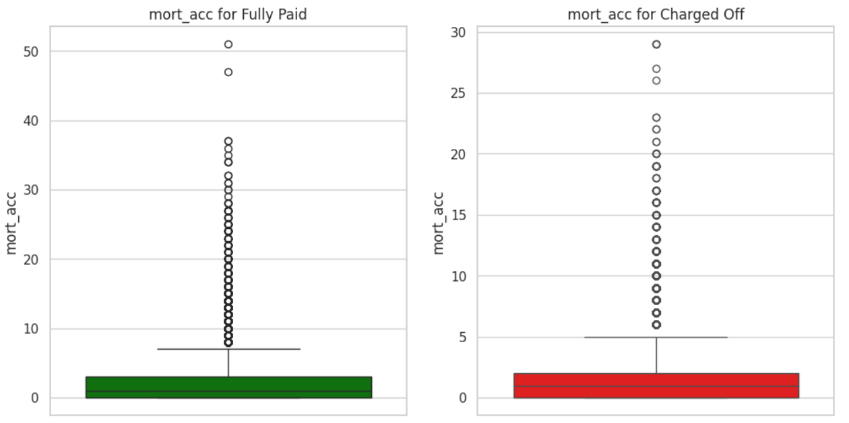
min | Charged Off | 0 | min | Fully Paid | 0 | Actions suggestion
0% | Charged Off | 0 | 0% | Fully Paid | 0 | 1. Missing values should be imputed with mode. 2. This column can be used for customer segmentation.
25% | Charged Off | 0 | 25% | Fully Paid | 0
50% | Charged Off | 1 | 50% | Fully Paid | 1
75% | Charged Off | 2 | 75% | Fully Paid | 3
100% | Charged Off | 29 | 100% | Fully Paid | 51
max | Charged Off | 29 | max | Fully Paid | 51
missing % | Charged Off | 2.564055 | missing % | Fully Paid | 3.751564

num_actv_rev_tl
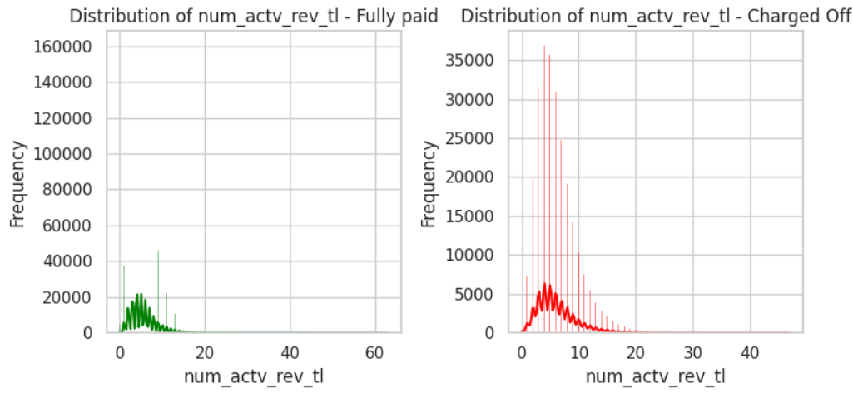
Description | Number of currently active revolving trades |  |  |  |  | Analyst input
 |  |  |  |  |  | 1. This variable may or may not be an important parameter for classicfication. 2. The distribution of this variable is not spread evenly. It is a discrete numerical variable. Hence the missing values should be imputed by mode instead of median.

level_0 | loan_status | values | level_0 | loan_status | values
count | Charged Off | 258241 | count | Fully Paid | 1019542
mean | Charged Off | 6.1080618492 | mean | Fully Paid | 5.5258076666
median | Charged Off | 5 | median | Fully Paid | 5
std | Charged Off | 3.5443313611 | std | Fully Paid | 3.2268763947
min | Charged Off | 0 | min | Fully Paid | 0 | Actions suggestion
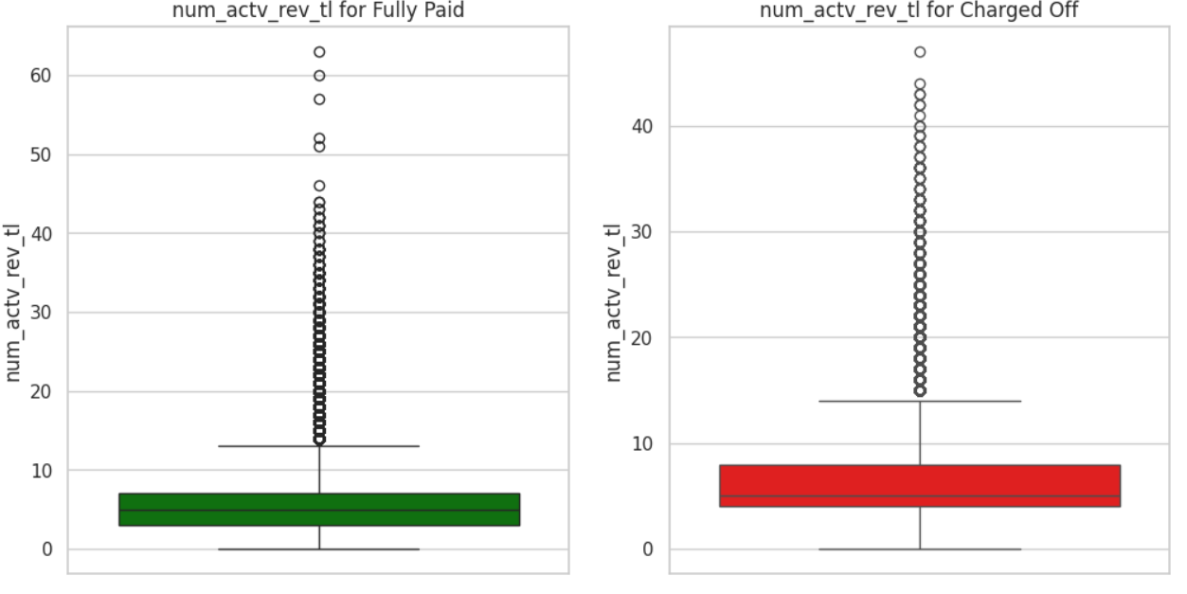
0% | Charged Off | 0 | 0% | Fully Paid | 0 | 1. Missing values should be imputed with mode. 2. This column can be used for customer segmentation.
25% | Charged Off | 4 | 25% | Fully Paid | 3
50% | Charged Off | 5 | 50% | Fully Paid | 5
75% | Charged Off | 8 | 75% | Fully Paid | 7
100% | Charged Off | 47 | 100% | Fully Paid | 63
max | Charged Off | 47 | max | Fully Paid | 63
missing % | Charged Off | 3.841986 | missing % | Fully Paid | 5.313113

percent_bc_gt_75
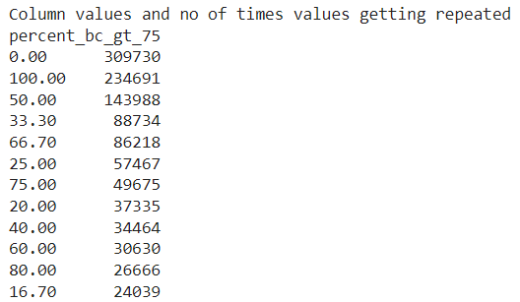
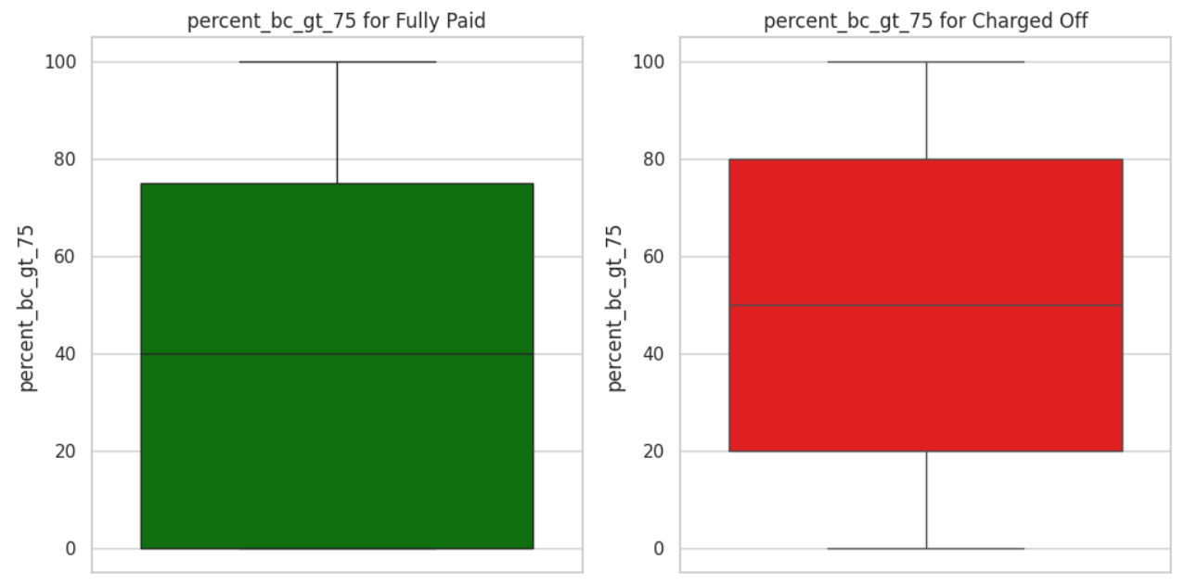
Description | Percentage of all bankcard accounts > 75% of limit. |  |  |  |  | Analyst input
 |  |  |  |  |  | 1. This variable is free from outliers. No outlier treatment required. 2. The distribution of this variable is not spread evenly. Hence, neither mean nor median represents the central tendency of the distribution.

level_0 | loan_status | values | level_0 | loan_status | values
count | Charged Off | 258651 | count | Fully Paid | 1025104
mean | Charged Off | 49.985905216 | mean | Fully Paid | 43.937311307
median | Charged Off | 50 | median | Fully Paid | 40
std | Charged Off | 35.811867186 | std | Fully Paid | 35.954008363
min | Charged Off | 0 | min | Fully Paid | 0 | Actions suggestion
0% | Charged Off | 0 | 0% | Fully Paid | 0 | 1. Missing values should be imputed with mode.
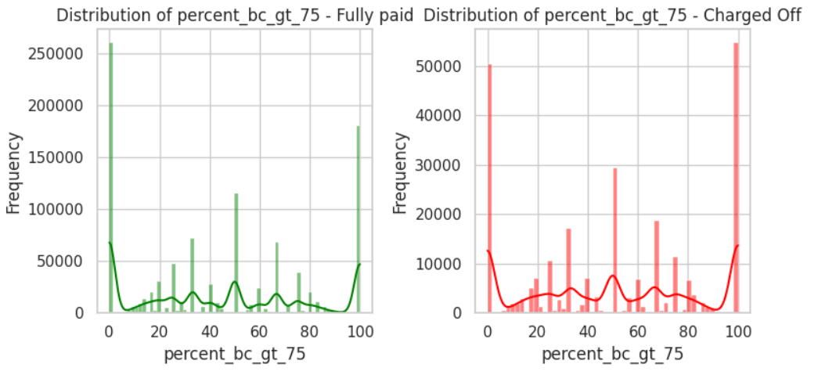
25% | Charged Off | 20 | 25% | Fully Paid | 0
50% | Charged Off | 50 | 50% | Fully Paid | 40
75% | Charged Off | 80 | 75% | Fully Paid | 75
100% | Charged Off | 100 | 100% | Fully Paid | 100
max | Charged Off | 100 | max | Fully Paid | 100
missing % | Charged Off | 3.68932 | missing % | Fully Paid | 4.796559

tot_hi_cred_lim
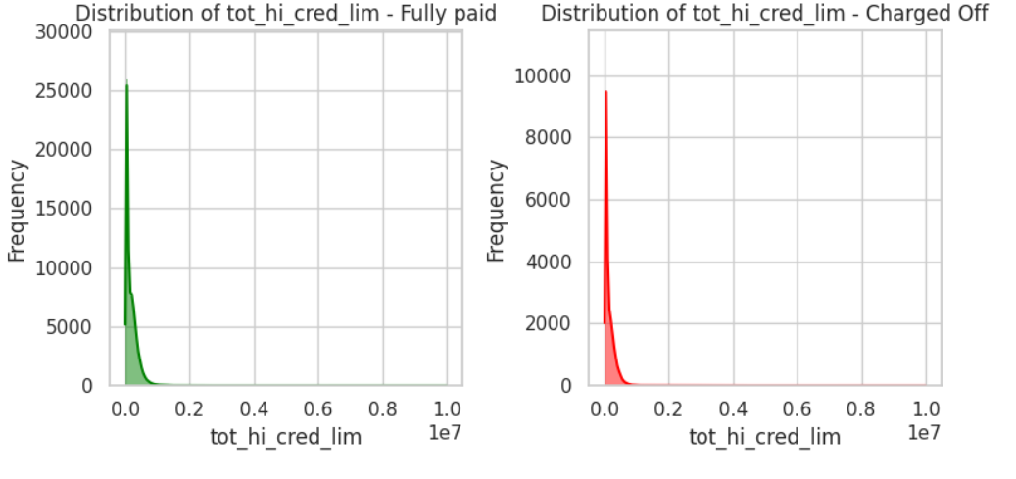
Description | Total high credit/credit limit |  |  |  |  | Analyst input
 |  |  |  |  |  | 1. As expected credit limit of customers is a right skewed variable. 2. This variable has 43770 outliers i.e; 3.25% of rows are outliers. 3. The distribution says at each %ile, credit/ credit limit value of customers is lower in case of the loans which were charged off compared to the loans that were fully paid.

level_0 | loan_status | values | level_0 | loan_status | values
count | Charged Off | 258241 | count | Fully Paid | 1019542
mean | Charged Off | 146618.51201 | mean | Fully Paid | 181421.57763
median | Charged Off | 88053 | median | Fully Paid | 120987
std | Charged Off | 151502.34499 | std | Fully Paid | 183558.16441
min | Charged Off | 0 | min | Fully Paid | 0 | Actions suggestion
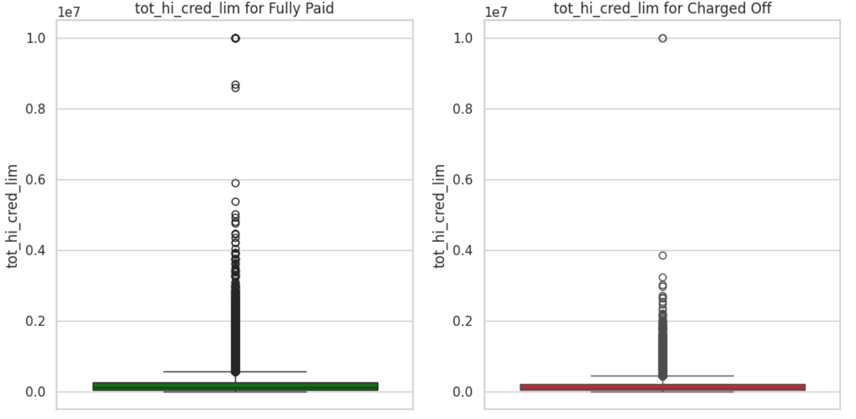
0% | Charged Off | 0 | 0% | Fully Paid | 0 | 1. Missing values should be imputed with median.
25% | Charged Off | 44769 | 25% | Fully Paid | 51131.25
50% | Charged Off | 88053 | 50% | Fully Paid | 120987
75% | Charged Off | 208482 | 75% | Fully Paid | 262390.75
100% | Charged Off | 9999999 | 100% | Fully Paid | 9999999
max | Charged Off | 9999999 | max | Fully Paid | 9999999
missing % | Charged Off | 3.841986 | missing % | Fully Paid | 5.313113

total_bal_ex_mort
Description | Total credit balance excluding mortgage |  |  |  |  | Percentile distribution of the column |  |  |  | Analyst input
 |  |  |  |  |  |  |  |  |  | 1.As expected total credit balance of all accounts is a right skewed distribution. More the credit balance in account, higher is the chance for the loan to be Fully Paid. The outliers shouldn't be treated for clustering. 2. Outliers: Customers with current balance > upper bound outliers have fully paid : charged off ratio of ~ 4.3:1
 |  |  |  |  |  | Percentile | Value | Difference | Buckets
 |  |  |  |  |  | 0 | 0 | NaN | No Balance
 |  |  |  |  |  | 5 | 6848 | 6848 | Low
 |  |  |  |  |  | 10 | 10886 | 4038
level_0 | loan_status | values | level_0 | loan_status | values | 15 | 14403 | 3517
count | Charged Off | 261673 | count | Fully Paid | 1036356 | 20 | 17714 | 3311
mean | Charged Off | 49308.868645 | mean | Fully Paid | 49756.612387 | 25 | 20886 | 3172 |  | Actions suggestion
median | Charged Off | 37812 | median | Fully Paid | 37161 | 30 | 23992 | 3106 |  | 1. To use this variable for prediction, use the buckets created using percentile distribution 2. The tot_cur_bal numerical variable can be used for clustering. 3. Missing values will be imputed by median
std | Charged Off | 44848.236836 | std | Fully Paid | 48446.948511 | 35 | 27127 | 3135
min | Charged Off | 0 | min | Fully Paid | 0 | 40 | 30349 | 3222
0% | Charged Off | 0 | 0% | Fully Paid | 0 | 45 | 33721 | 3372
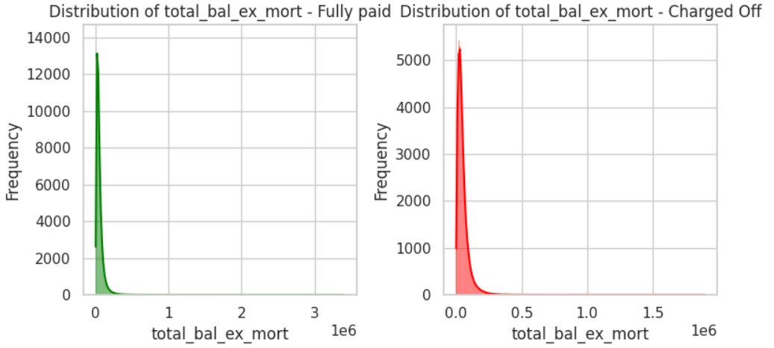
25% | Charged Off | 21635 | 25% | Fully Paid | 20702 | 50 | 37296 | 3575
50% | Charged Off | 37812 | 50% | Fully Paid | 37161 | 55 | 41131 | 3835
75% | Charged Off | 62355 | 75% | Fully Paid | 62600 | 60 | 45393 | 4262
100% | Charged Off | 1896461 | 100% | Fully Paid | 3408095 | 65 | 50203 | 4810
max | Charged Off | 1896461 | max | Fully Paid | 3408095 | 70 | 55812 | 5609
missing % | Charged Off | 2.564055 | missing % | Fully Paid | 3.751564 | 75 | 62548 | 6736
 |  |  |  |  |  | 80 | 71033.4 | 8485.4
 |  |  |  |  |  | 85 | 82423 | 11389.6
 |  |  |  |  |  | 90 | 99568 | 17145
 |  |  |  |  |  | 95 | 133175.6 | 33607.6 | High
 |  |  |  |  |  | 96 | 145481.88 | 12306.28
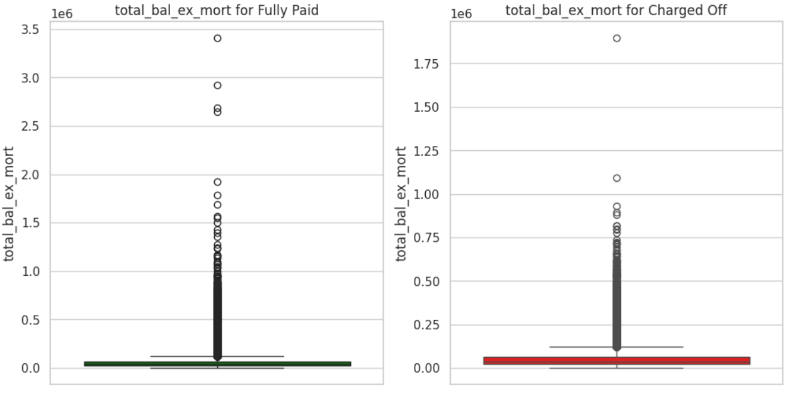
 |  |  |  |  |  | 96.5 | 153099 | 7617.12
 |  |  |  |  |  | 97 | 161997.8 | 8898.8
 |  |  |  |  |  | 97.5 | 173127.9 | 11130.1
 |  |  |  |  |  | 98 | 187059.88 | 13931.98
 |  |  |  |  |  | 98.5 | 205788.48 | 18728.6
 |  |  |  |  |  | 99 | 234494.32 | 28705.84
 |  |  |  |  |  | 99.5 | 287817.58 | 53323.26
 |  |  |  |  |  | 100 | 3408095 | 3120277.42 | Very High

total_bc_limit
Description | Total bankcard high credit/credit limit |  |  |  |  | Percentile distribution of the column |  |  |  | Analyst input
 |  |  |  |  |  |  |  |  |  | 1.As expected total bank card credit limit of all accounts is a right skewed distribution. More the credit balance in account, higher is the chance for the loan to be Fully Paid. The outliers shouldn't be treated for clustering. 2. Outliers: Customers with current balance > upper bound outliers have fully paid : charged off ratio of ~ 6.8:1
 |  |  |  |  |  | Percentile | Value | Difference | Buckets
 |  |  |  |  |  | 0 | 0 | NaN | No Balance
 |  |  |  |  |  | 5 | 2300 | 2300 | Low
 |  |  |  |  |  | 10 | 3900 | 1600
level_0 | loan_status | values | level_0 | loan_status | values | 15 | 5200 | 1300
count | Charged Off | 261673 | count | Fully Paid | 1036356 | 20 | 6500 | 1300
mean | Charged Off | 18538.137408 | mean | Fully Paid | 22415.686699 | 25 | 7800 | 1300 |  | Actions suggestion
median | Charged Off | 13100 | median | Fully Paid | 15600 | 30 | 9000 | 1200 |  | 1. To use this variable for prediction, use the buckets created using percentile distribution 2. The total_bc_limit numerical variable can be used for clustering. 3. Missing values will be imputed by median
std | Charged Off | 18442.320778 | std | Fully Paid | 22203.839255 | 35 | 10400 | 1400
min | Charged Off | 0 | min | Fully Paid | 0 | 40 | 11800 | 1400
0% | Charged Off | 0 | 0% | Fully Paid | 0 | 45 | 13400 | 1600
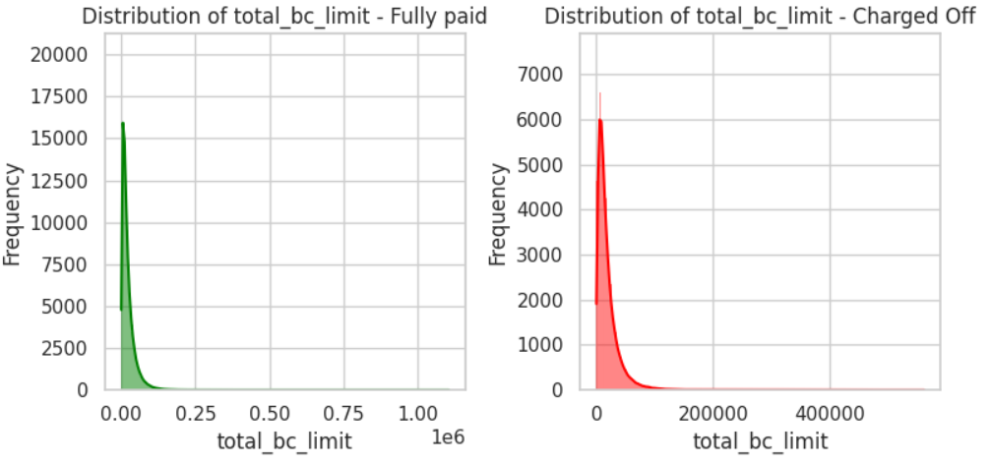
25% | Charged Off | 6900 | 25% | Fully Paid | 8000 | 50 | 15100 | 1700
50% | Charged Off | 13100 | 50% | Fully Paid | 15600 | 55 | 17000 | 1900
75% | Charged Off | 23900 | 75% | Fully Paid | 29300 | 60 | 19100 | 2100
100% | Charged Off | 560800 | 100% | Fully Paid | 1105500 | 65 | 21600 | 2500
max | Charged Off | 560800 | max | Fully Paid | 1105500 | 70 | 24600 | 3000
missing % | Charged Off | 2.564055 | missing % | Fully Paid | 3.751564 | 75 | 28100 | 3500
 |  |  |  |  |  | 80 | 32600 | 4500
 |  |  |  |  |  | 85 | 38500 | 5900
 |  |  |  |  |  | 90 | 47200 | 8700
 |  |  |  |  |  | 95 | 63100 | 15900 | High
 |  |  |  |  |  | 96 | 68400 | 5300
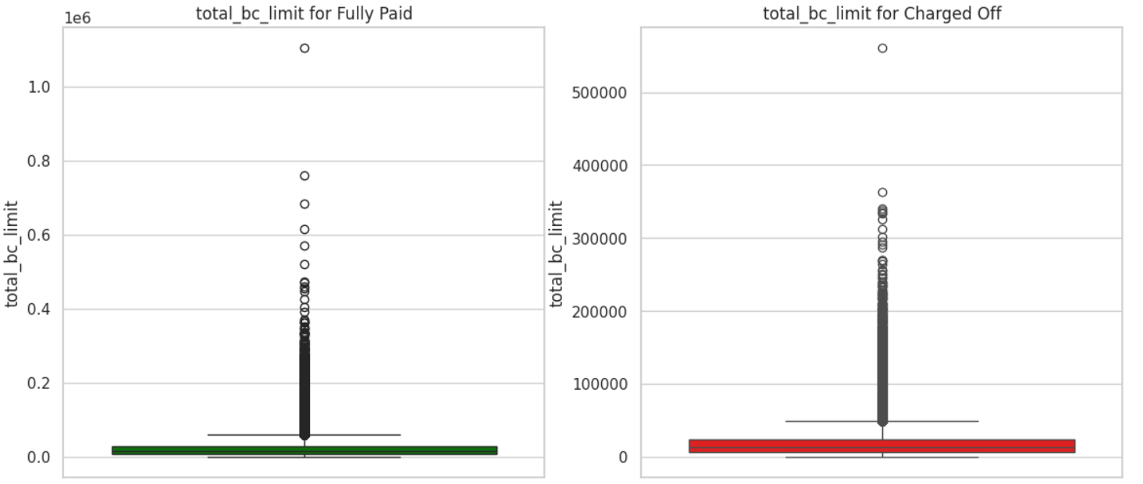
 |  |  |  |  |  | 96.5 | 71700 | 3300
 |  |  |  |  |  | 97 | 75500 | 3800
 |  |  |  |  |  | 97.5 | 80100 | 4600
 |  |  |  |  |  | 98 | 85800 | 5700
 |  |  |  |  |  | 98.5 | 93200 | 7400
 |  |  |  |  |  | 99 | 103700 | 10500
 |  |  |  |  |  | 99.5 | 123000 | 19300
 |  |  |  |  |  | 100 | 1105500 | 982500 | Very High

total_il_high_credit_limit
Description | Total installment high credit/credit limit |  |  |  |  | Percentile distribution of the column |  |  |  | Analyst input
 |  |  |  |  |  |  |  |  |  | 1.As expected total installment credit/ credit limit of all accounts is a right skewed distribution. The outliers shouldn't be treated for clustering. 2. Outliers: Customers with current balance > upper bound outliers have fully paid : charged off ratio of ~ 4:1
 |  |  |  |  |  | Percentile | Value | Difference | Buckets
 |  |  |  |  |  | 0 | 0 | NaN | No Balance
 |  |  |  |  |  | 5 | 0 | 0 | Low
 |  |  |  |  |  | 10 | 0 | 0
level_0 | loan_status | values | level_0 | loan_status | values | 15 | 6000 | 6000
count | Charged Off | 258241 | count | Fully Paid | 1019542 | 20 | 10530 | 4530
mean | Charged Off | 42024.006641 | mean | Fully Paid | 42160.850628 | 25 | 14738 | 4208 |  | Actions suggestion
median | Charged Off | 32097 | median | Fully Paid | 31574 | 30 | 18093 | 3355 |  | 1. To use this variable for prediction, use the buckets created using percentile distribution 2. The total_bc_limit numerical variable can be used for clustering. 3. Missing values will be imputed by median
std | Charged Off | 41614.990751 | std | Fully Paid | 43657.037258 | 35 | 21424 | 3331
min | Charged Off | 0 | min | Fully Paid | 0 | 40 | 24808 | 3384
0% | Charged Off | 0 | 0% | Fully Paid | 0 | 45 | 28112 | 3304
25% | Charged Off | 15000 | 25% | Fully Paid | 14575 | 50 | 31681 | 3569
50% | Charged Off | 32097 | 50% | Fully Paid | 31574 | 55 | 35543 | 3862
75% | Charged Off | 56529 | 75% | Fully Paid | 56662.75 | 60 | 39832 | 4289
100% | Charged Off | 954503 | 100% | Fully Paid | 2101913 | 65 | 44594 | 4762
max | Charged Off | 954503 | max | Fully Paid | 2101913 | 70 | 50097 | 5503 | Medium
missing % | Charged Off | 3.841986 | missing % | Fully Paid | 5.313113 | 75 | 56635 | 6538
 |  |  |  |  |  | 80 | 64714.6 | 8079.6
 |  |  |  |  |  | 85 | 75282 | 10567.4
 |  |  |  |  |  | 90 | 90692.8 | 15410.8
 |  |  |  |  |  | 95 | 120109 | 29416.2 | High
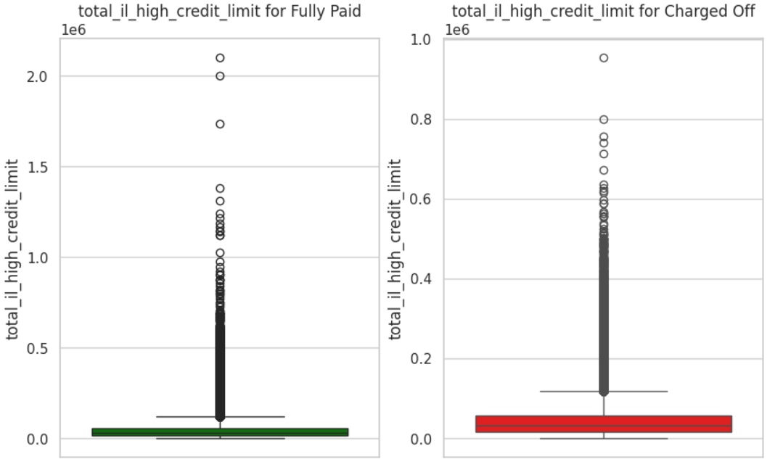
 |  |  |  |  |  | 96 | 130237.72 | 10128.72
 |  |  |  |  |  | 96.5 | 136563.63 | 6325.91
 |  |  |  |  |  | 97 | 144219.54 | 7655.91
 |  |  |  |  |  | 97.5 | 153466.45 | 9246.91
 |  |  |  |  |  | 98 | 165465.36 | 11998.91
 |  |  |  |  |  | 98.5 | 181049 | 15583.64
 |  |  |  |  |  | 99 | 203651.26 | 22602.26
 |  |  |  |  |  | 99.5 | 245878.99 | 42227.73
 |  |  |  |  |  | 100 | 2101913 | 1856034.01 | Very High

